Investor launched
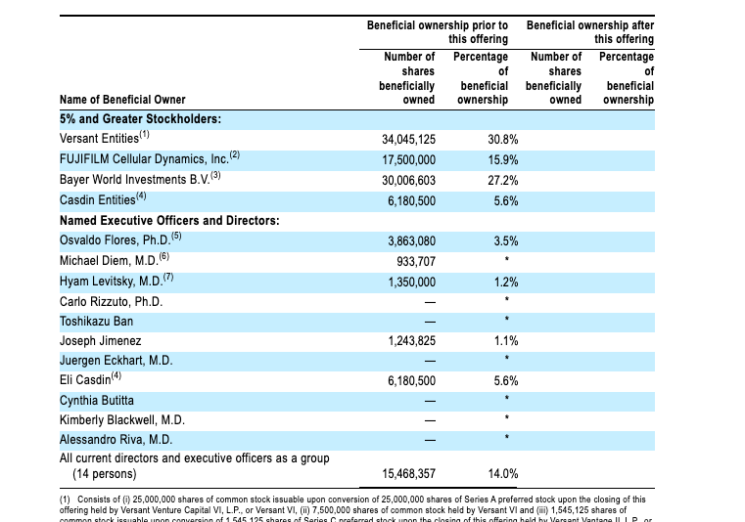
 |  | Investor Launched Companeis
Table 2
Company Name | IPO Year | Underlying Technology | Founder | Sources of Intellectual Property and other agreements | CEO at IPO | CEO equity (%) | Founding Investor equity (%) | Equity provision in License? | Direct Inventor Equity (%) | Pre-IPO Money Raised (US$,MM) | Total Investor share at IPO | Investors | Percent | Total Investor Share (%) at IPO
Ambrx Biopharma | 2021 | Next generation ADC antibodies | Versant Ventures | California Institute of Biomedical Research; Agensys; Scripps Institute | Lawson Macartney | 1.4 | 7.5 |  |  | 347.9 | 72 | Tavistock BIO XXV, Inc., Maverick Capital Ltd, Apposite Healthcare Fund, L.P., Versant Ventures, 5AM Ventures, Roche Finance, Merck BV | 19.3, 17.4, 9.5, 7.5, 6.9, 6.2, 5.2 | 72
Century Therapeutics | 2021 | iPSC-derived NK and T cell therapies | Versant Ventures | University of Toronto and McMaster U, Icell and FDCI | Osvaldo Flores | 3.5 | 30.8 |  |  | 410 | 79.5 | Versant, FUJIFILM Cellular Dynamics, Bayer World Investments BV, Casdin | 30.8, 15.9, 27.2, 5.6 | 79.5
Decibel Therapeutics | 2021 | Hearing loss treatments | Third Rock Ventures | The Regents of the University of California (UCSF); University of Florida Foundation; University of Missouri | Laurence Reid | 2.2 | 22.0 |  |  | 82 | 84.1 | Third Rock, OrbiMed, Regeneron, GV, Citadel Multi-Strategy Master Fund, GSK Equity Investments | 22, 21.4, 14.7, 11.3, 7.5, 7.2 | 84.1
Graphite bio | 2021 | Gene editing platform | Versant Ventures | Stanford University | Josh Lehrer | 2.9 | 38.7 |  | 8.4 | 195.7 | 63.6 | Versant, Samsara BioCapital, Mathew Porteus (Inventor) | 38.7, 16.5, 8.4 | 63.6
Omega Therapeutics | 2021 | Precision epigenomic control to make programmable mRNA medicines | Flagship Pioneering | License with Flagship Pioneering (foundational IP); exclusive License with Whitehead Institute, Development and Option with Acuitas, Inc | Mahesh Karande | 1.9 | 62.5 |  |  | 236 | 75.21 | Flagship Pioneering, Harbourvest Partners, Fidelity | 62.87, 6.73, 5.61 | 75.21
Monte Rosa Therapeutics | 2021 | Molecular glue degraders | Versant Ventures | License among Cancer Research Technology Ltd, Institute of Cancer Research, Royal Cancer Hospital, and Monte Rosa Therapeutics | Marcus Warmuth | 1.3 | 26.3 |  |  | 223.5 | 70.89 | Versant, New Enterprise Associates, Comorant Asset Management, Avoro, Life Sciences Fund, FMR LLC, HBM Healthcare Investments | 26.23, 19.97, 7.81, 5.74, 5.74, 5.40 | 70.89
Sana Biotechnology | 2021 | Engineering cells to repair and control genes in cells or replace damaged cells | Arch and Flagship | The Regents of the University of California (UCSF); Harvard University and a company | Steve Harr | 5.6 | 27.0 |  |  | 700 | 59.8 | ARCH Venture Partners, FlagshipPioneering, CPP Investment Board PMI-1 Inc, F-Prime Fund VI | 27.5, 21.4,5.8, 5.1 | 59.8
Vividion Therapeutics | 2021 | Identifying binding sites on potential drug targets | Arch and Versant Ventures | Scripps Institute. Other licenses include: a collaboration with Roche and a research and collaboration with Celgene | Diego Miralles | 2.7 | 29.5 |  | 1.6 | 371.5 | 47.5 | ARCH Venture Fund IX, L.P., Versant Venture Capital V, CHP III, Nextech V Oncology S.C.S. SICAV-SIF | 16, 13.5, 12.3, 5.7 | 47.5
Akili Interactive | 2023 | Software to improve focus for ADHD | Puretech | Regents of the University of California | Eddie Martucci | 1.6 | 29.5 |  | 1.4 | 110.4 | 57.5 | Aaron Cowen, Chamath Palihapitiya, PureTech Health, LLC, TLS Beta Pte. Ltd., Neuberger Berman | 7.8, 16.1, 14.7, 12.1, 6.8 | 57.5
Amicus Therapeutics | 2023 | Rare disorders | CHL | Mount Sinai School of Medicine | John Crowley | 2 | 13 |  | none | 75.87 | 86.5 | New Enterprise Associates, Frazier Healthcare Ventures, CHL Medical Ventures, Prospect Venture Partners , Canaan Ventures, Quaker BioVentures | 26.1, 15.1, 13, 12.2, 11.9, 8.2 | 86.5
Vor Therapeutics | 2021 |  | Puretech and Dr. Siddarth Mukherjee | Columbia University | Robert Ang | 2.6 | 12.4 |  | none |  |  | RA Capital, 5AM, Puretech, FMR | 30.6, 23.8, 12.4, 10.6 | 77.4 | Founded by PureTech and Dr. Mukherjee; CU received 91,911 shares in 2016
 |  |  |  |  | Mean | 2.6 | 30.4 |  | 3.8 | 275.3 |  |  |  | 65.9
 |  |  |  |  | Median | 2.2

Werewofl |  |  | MPM Capital

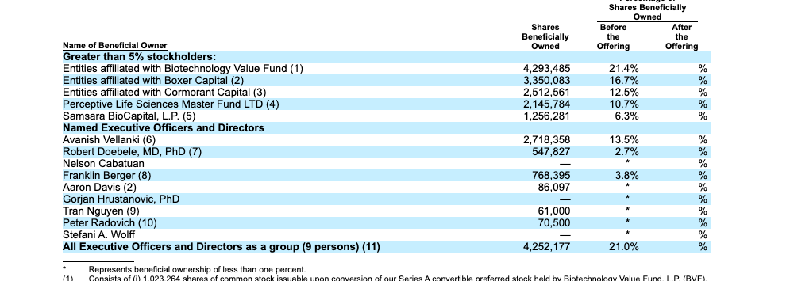
 |  |  |  |  |  |  |  |  |  | Investor Launched Companies | Founder Launched companies
 |  |  |  |  |  |  |  |  | CEO ownership at IPO | 2.6
 |  |  |  |  |  |  |  |  | Founding Investor ownership at IPO | 30.80
 |  |  |  |  |  |  |  |  | Total Investor ownership at IPO | 65.90
 |  |  |  |  |  |  |  |  | Avg funding raised | $275

Table 8
 | Table 4
 | Company Name | Source of IP from academic institution(s) | Equity in the License Agreement | Direct equity to inventor academia (%) | Direct equity to Inventor operator (%) | Direcct academic institution equity (%) | CEO | Founder Equity at IPO
1 | Akili interactive | Regents of the University of California | No | 1.4 |  |  |  | EM has 1.6% at IPO
1 | Alzamend Neuro | University of Florida Research Foundation | Yes
1 | ATAI Life Sciences | Columbia University; University of Chibba (Japan) | Yes
1 | Biophytis | Universitee Pierre et Marie Curie and the Centre Naitonal de la Recherche Scientifique | No | 1.4 |  |  |  | SV has 13.2% ; RL has 1.4%
1 | Bolt Biotherapeutics | Stanford University | Yes | 14.4
1 | Candel Therapeutics | Brigham and Women and Advantagene (dba Candel) | No |  | 16.7 |  |  | Paul Peter Tak is the CEO (2.32%), Estuardo Cordova has 16.7% (he is a former Harvard and baylor faculty)
1 | Cargo Therapeutics | Stanford University | Yes | 1.9 |  |  |  | Stanford professor Crystal __ has equity
1 | Design Therapeutics | Wisconsin Alumni Research Foundation | No |  | 18.6 |  |  | AA owns 18.34% at IPO; PS owns 18.34% through a trust | 8 | 5 had equity in license; 3 did not
1 | effector Therapeutics | Regents of the University of California | Yes
1 | Erasca Therapeutics | Regents of the University of California | Yes
1 | Graphite bio | Stanford University | Yes | 8.4 |  |  |  | redacted percent shares; Kimberly Drapkin is the CEO | 12 | 6 had equity provision; 6 did not
1 | Icosavax | University of Washington | Yes
1 | Isoplexis | Yale University (no equity) and Caltech (equity) | Yes
1 | IN8bio | University of Alabama Research Foundation; Emory University | No |  | 1.8 |  |  | William Ho (26%), Lawrence Lamb (1.8%)
1 | Jasper Therapeutics | Stanford University | No | 3.5 |  |  |  | Judith Shizuru has 3.5%
1 | Landos Biopharma | None listed, but founder an academic | N/A |  | 27 |  |  | 27% to JB; JB was at University of Virginia where he did the underlying work
1 | Lava Therapeutics | Stiching V University | Yes
1 | Lyell Immunotherapies | Stanford University | Yes
1 | Lexeo Therapeutics | Cornell University, University of California | No | 9.8 |  |  |  | Dr. Crystal listed as owning greater than 5%
1 | Monte Rosa Therapeutics | Cancer Research Technology Ltd, Institute of Cancer Research, Royal Cancer Hospital | Yes
1 | Neximmune Therapeutics | Johns Hopkins University | Yes
1 | Ocean Biomedical | Brown University and Stanford University | No | <1 |  |  |  | CK has 68.5% at IPO; Scientific cofounders Jack Elias and Dr. Jonathan Kurtis each has 10,414 shares (<1%)
1 | Pepgen | University of Oxford & MRC | No |  |  | >5% |  | Oxford Science Exterprise has >5% equity (amount not disclosed); the founders not listed as Principal shareholders
1 | Prometheus Biosciences | Cedars-Sinai | Yes |  |  | 18.4 |  | Cedars-Sinai 18.4% at IPO; Bought by Merck for $10 billion
1 | Protagenic Therapeutics | University of Toronto Innovations Foundation | No | 6.0 |  |  |  | DL has 6%; Garo Armen has 36%
1 | Pyxis Oncology | University of Chicago | Yes
1 | Recursion | University of Utah Research Foundation | Yes
1 | Sana Biotechnology | Regents of the University of California, Los Angeles | Yes
1 | Sema4 | No license in the SEC documents | N/A |  | 3.0 | 36.0 |  | Eric Schadt (3.1%) at IPO; MSSM 36%
1 | Sensei Biotechnologies | Fred Hutchinson Cancer Center (nonexclusive) | Yes
1 | Talaris Therapeutics | University of Louisville Research Foundation | Yes | 14.8 |  |  |  | SI has 14.8% (she is the CSO); CEO is Mary Kay Fenton
1 | TransCode Therapeutics | Mass General Hospital | No |  | 27.0 |  |  | Robert Michael Dudley (CEO & founder) and Zdravk Medarova both have equity (% redacted)
1 | Verve Therapeutics | Harvard University and Broad Institute | Yes |  | 3 |  |  | SK has 2.6%
1 | Vividion Therapeutics | The Scripps Institute | Yes | 1.6 |  |  |  | Benjamin F. Cravatt III, Ph.D. (founding lab) (1.6%), Alexandra Rizo is the CEO (not on the cap table s1)
1 | Vor Biopharma | Columbia University | Yes
 |  |  | 22 | 11.0 | 7 | 3
34
 |  |  | Brigham and Women | 1
 |  |  | Brown University | 1
 |  |  | Caltech | 1
 |  |  | Cancer Research Technology | 2
 |  |  | Cedars-Sinai | 1
Brigham and Women |  | 1
Brown University |  | 1
Caltech |  | 1
Cancer Research Technology |  | 2
Cedars-Sinai |  | 1
Columbia |  | 2
Cornell University |  | 1
Emory University |  | 1
Fred Hutchinson Cancer |  | 1
Harvard |  | 1
Johns Hopkins |  | 1
Mass General |  | 1
Stanford |  | 5
Stiching University |  | 1
The Scripps Research Institute |  | 1
Regents |  | 5
University of Alabama |  | 1
University of Chicago |  | 1
University of Florida |  | 1
University of Louisville |  | 1
University of Oxford |  | 1
Universitee Pierre at Marie Curie |  | 1
University of Toronto |  | 1
University of Utah |  | 1
University of Washington |  | 1
University of Wisconsin |  | 1
Yale |  | 1
 |  |  | Columbia | 2
 |  |  | Cornell University | 1
 |  |  | Emory University | 1
 |  |  | Fred Hutchinson Cancer | 1
 |  |  | Harvard | 1
 |  |  | Johns Hopkins | 1
 |  |  | Mass General | 1
 |  |  | Stanford | 5
 |  |  | Stiching University | 1
 |  |  | The Scripps Research Institute | 1
 |  |  | Regents | 5
 |  |  | University of Alabama | 1
 |  |  | University of Chicago | 1
 |  |  | University of Florida | 1
 |  |  | University of Louisville | 1
 |  |  | University of Oxford | 1
 |  |  | Universitee Pierre at Marie Curie | 1
 |  |  | University of Toronto | 1
 |  |  | University of Utah | 1
 |  |  | University of Washington | 1
 |  |  | University of Wisconsin | 1
 |  |  | Yale | 1

